Screenshot
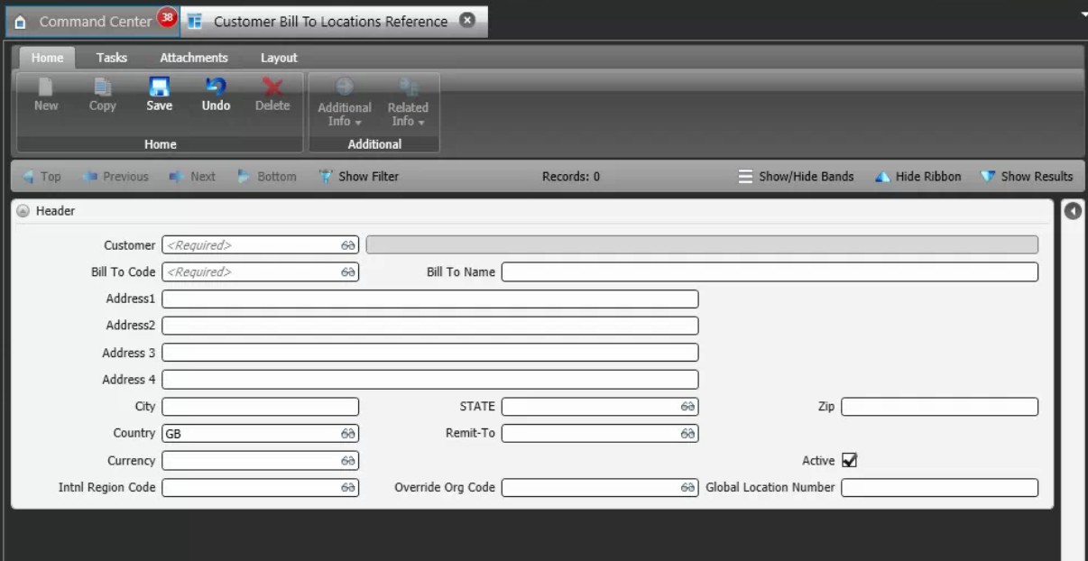
Reference Screen | Customer Bill To

